EXERCISE 14
EXERCISE 14

PAGE SETUP OPTIONS | LOOKING UP INFORMATION
1. On the 'Weather_Data' worksheet, switch to 'Page Break Preview'.
2. Adjust the breaks so that all the columns fit on one page.
3. Set the margins to 'Narrow' and change the orientation to 'Landscape'.
4. Set the headings to repeat on all pages.
5. Check the spreadsheet looks good in 'Print Preview'.
6. Sort the data by the 'Humid' column (largest to smallest).
7. Save as a 'Custom View'.
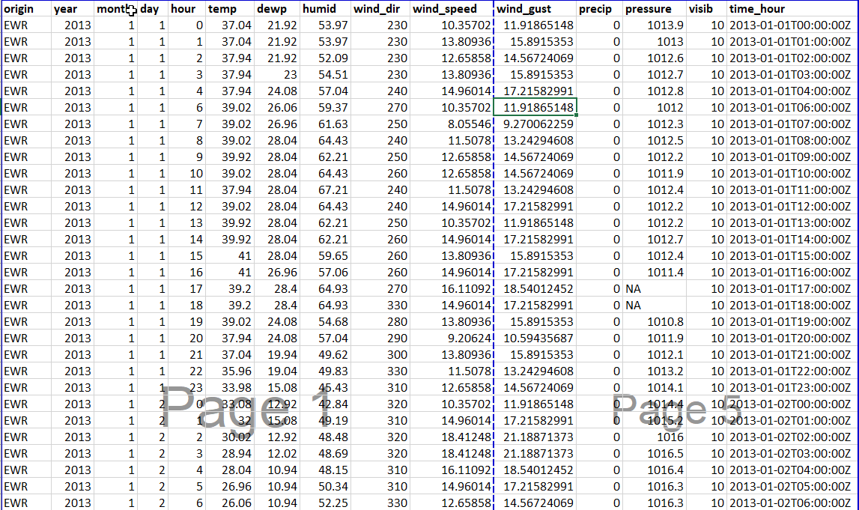

HEADERS AND FOOTERS

1. Add a header to the workbook that displays the workbook name.
2. Add a footer to the workbook that displays the date and the page number.

